System Architecture
This is an overview of requirements and design implications for the architectures.

Server

Components on BB’s spreadsheet can be categorized into classical layered architecture (2), or considered as services.
Clients will need to receive notifications of other user actions. Once business transformations are applied, events can be queued to be distributed to user sessions via websockets from Session Manager. The distribution queue can be seen as a publish-subsribe tree, as updates to data may need to also go to integration and notification services, and this pattern is the general case routing solution.
Printing, emailing, and integration data pull requests are also components which can be split into seperate services. They will receive standard messages from the Logic Layer.
If Version history is considered as a seperate set of entities, it can be broken out into a seperate service. The other option is to use a temporal data structure (eg postgress temporal_tables extension).
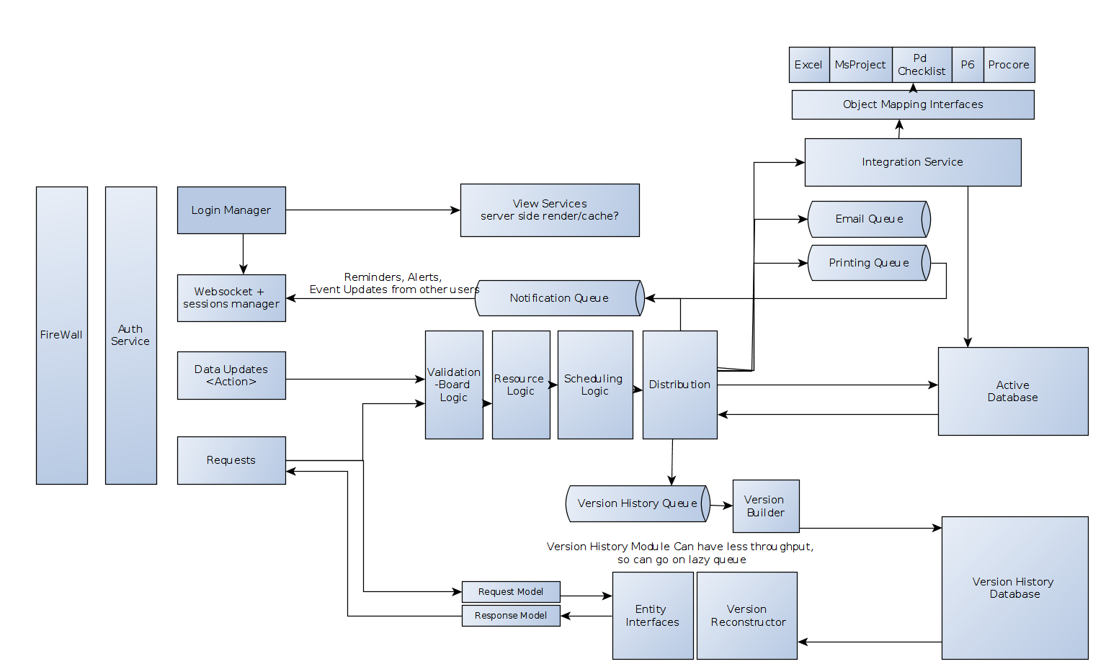
 |  | 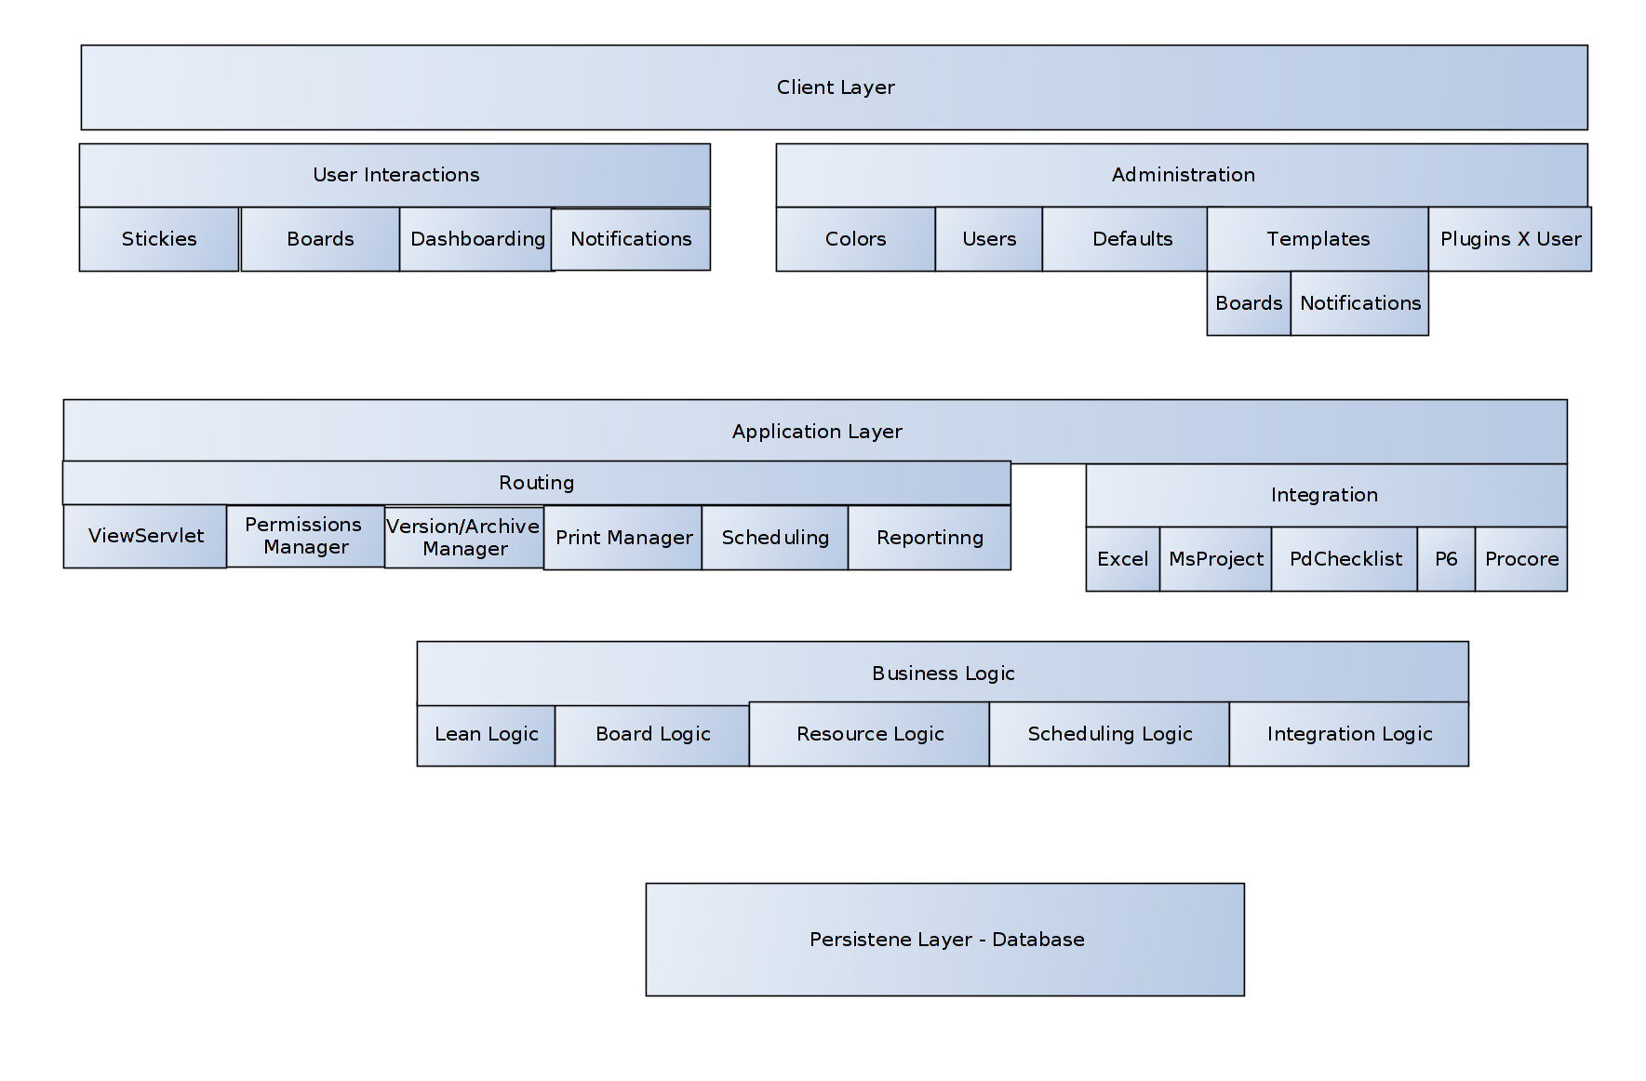

Client
Requirement | Implications
Working Offline | Services must resolve to cache as well as rest. Logic for scheduling must also be available without a server. This implies a seperate scheduling Service/functions which handle data changes.
Note can appear on multiple views, which can be viewed simultaneously | The client architecture must seperate data from display, and make updates to multiple views. This is commonly done with a reactive or FRP style with unidirectional dataflow to seperate functionality concerns. See diagram. In NG2, this can be done with observable streams, or the redux style, though I do not know the best solution given all prior knowledge.
Live updates on notes/notifications from other users | A service to accept socket requests, and route date through client

Views and Respective Models (this does not include interfaces – intended to show final models and services)

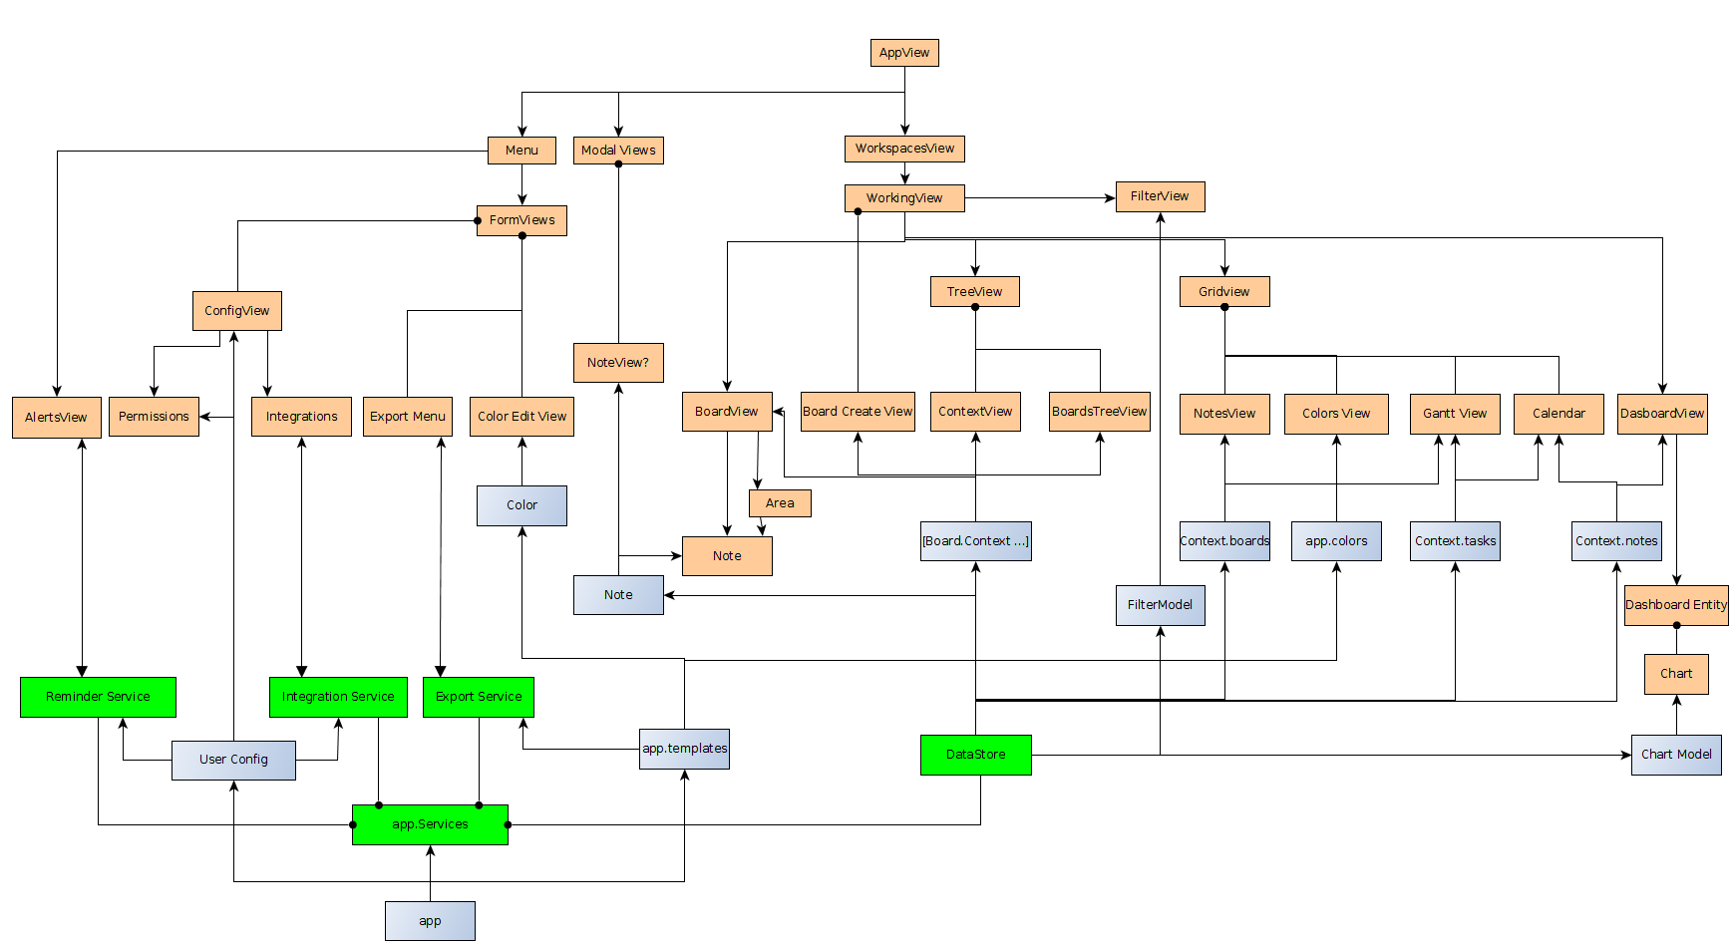
The views which are not board views do not include geometric data. They only require base_data of Board entities, so only do not require the Service to compose contexts.
Gridviews
Calendar View | Takes any BoardEntities with a due date or start date. Also will take tasks without a Note host, as long as it has dates. DisplayTemplate: shows properties [title] , on-hover-over shows [startdate, enddate, assigned-to, created-by]
Tree View | Takes any BoardEntities with a title (this will exclude text and shapes) DisplayTemplate: shows title. By default it is in sidebar at first use.
Gantt View | Takes any BoardEntities with a due date or start date. Also will take tasks without a Note host, as long as it has dates. DisplayTemplate: shows properties [title] , additional rows in the gridview part of the gantt chart show: [startdate, enddate, assigned-to, created-by]

Any Gridview can be placed in a WorkinView. All entity properties that user has permissions to are editable.
Any Gridview Entity is draggable – can be selected and dragged to Board.
 | On drag-and-drop conditions to check (responsibility of Logic Service)
 | is the Note already on that board? → error message + select existing loc
 | does the Entity have an associated Note?
 | If Not, prompt to create a note. If note is created, use task.title as title + desc
…

Conceptual Logic
 | Conceptual Separation of Concerns (UI)
 | There are mainly
 | Entity Logic | Scheduling Logic | Containment Logic | Template Logic | Display Logic | Auth | Versioning | Permissions | Notifications | Configuration | Reporting
description | Logic of base types and transforming stored datamodels to structure compatible with display. | Pulls in all tasks with associated dates, constraints, assignments, and returns data for gantt or calendar Views | Logic for nesting Boards, Notes, and Areas. | For each board, edit the geometry. For notes, areas, boards, edit default geometry, data, and constraints. | Display of Data in UI: nested containers and entities with seperation of data and geometry | Authentiation – are there any AD requiremens? External logins? Eg gmail? | Edits should be versioned with a date. Snapshots of any Container should be their own entities. | Manage which entities are acessible to user | Receives overdue notifications, socket updates to notes, and distributes to other services. | Customization of Board Views, Mappings for integration data, reports, alerts | Create Reports and
Example |  |  | Board A contains Notes x,z,y, and Areas r,q | All notes added to Area <r> has a due date of <d> | Board A shows Notes with |  | Board B has snapshot at date D. Query all changes to Board B and list.
Object Models | Board, Area, Note | Tasks + child types | Container | Template | Shape, Context, Label, Filter |  | ChangeHistory | Permissions, User
Implementation | Class that working views inherit? | Service (pure functions) | Service | Service | Components | Service/NG2 std | see notes | Server query as baseline | Service | Components with Services
Notes | See below |  |  |  |  |  | **Options are implementing at high granularity by having EAVT schema eg datomic, or requires own set of interfaces.
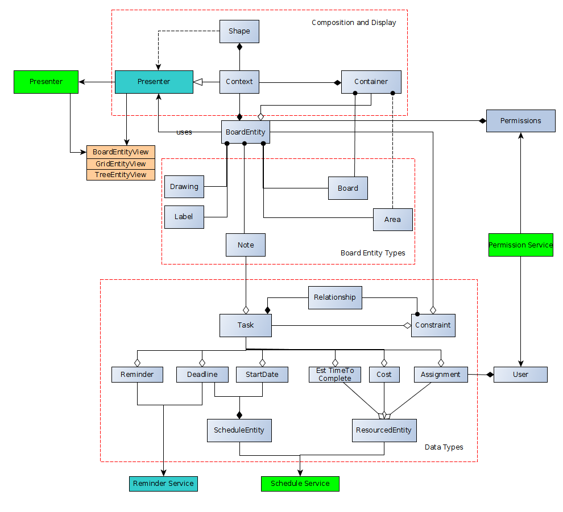
 | Entity Logic

 |  |  |  |  |  |  |  | Area
 |  |  |  |  |  |  |  | Can only reside in one context

 |  |  |  |  |  |  |  | Context
 |  |  |  |  |  |  |  | an object specifying how an object is seen

 |  |  |  |  |  |  |  | Container
 |  |  |  |  |  |  |  | A superclass of Boards and BoardAreas that renders BoardEntities in its context.
 |  |  |  |  |  |  |  | This can also be extended to render gridviews and other Views, so that logic remains consistent thru app, but not sure on this.

 |  |  |  |  |  |  |  | Object Logic
 |  |  |  |  |  |  |  | The objects are mostly described by composition, as this is the NG2 standard of typescript favors composition over inheritence. This is also a trend in the more functional web based app approach.

 |  |  |  |  |  |  |  | Board Entity
 |  |  |  |  |  |  |  | Can be added to a board
 |  |  |  |  |  |  |  | Can be have constraints assoiated with it.
 |  |  |  |  |  |  |  | Has a permissionset assigned to it.

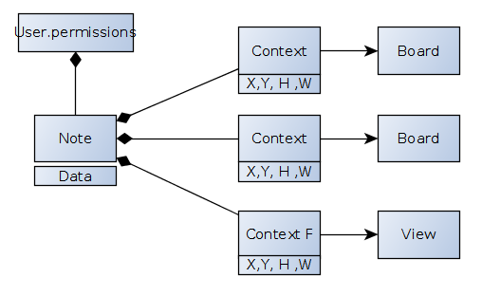
 |  |  |  |  |  |  |  | A presenter takes a structure of board entities and contexts renders them to a view

read
edit
create

 | Auth
 | There needs to be room to integrate with various logins (google, AD, facebook).
 | Users should receive updates on data updates. This can be done by subscribing each session to active or passive update queues, or a publish–subscribe pattern with between user session and transaction log.
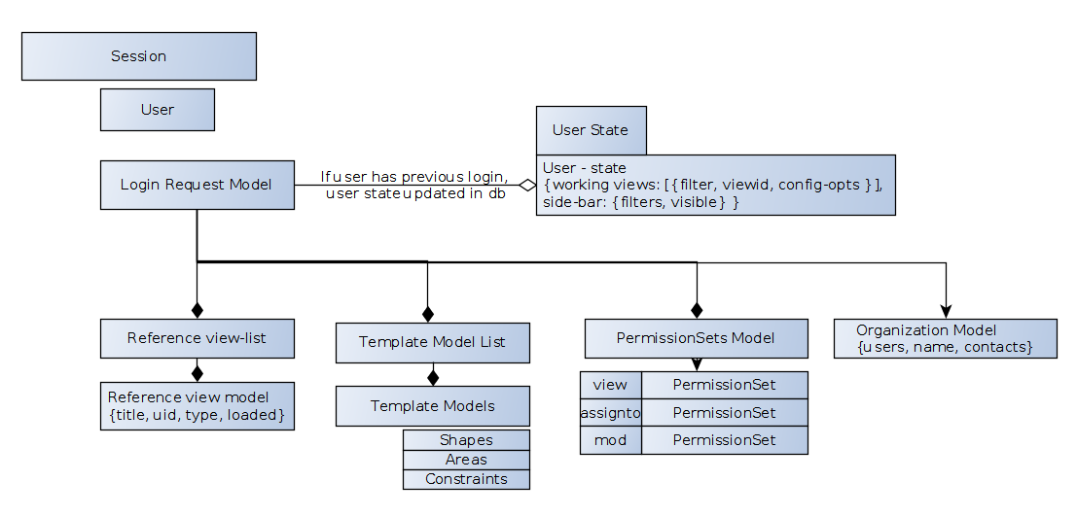
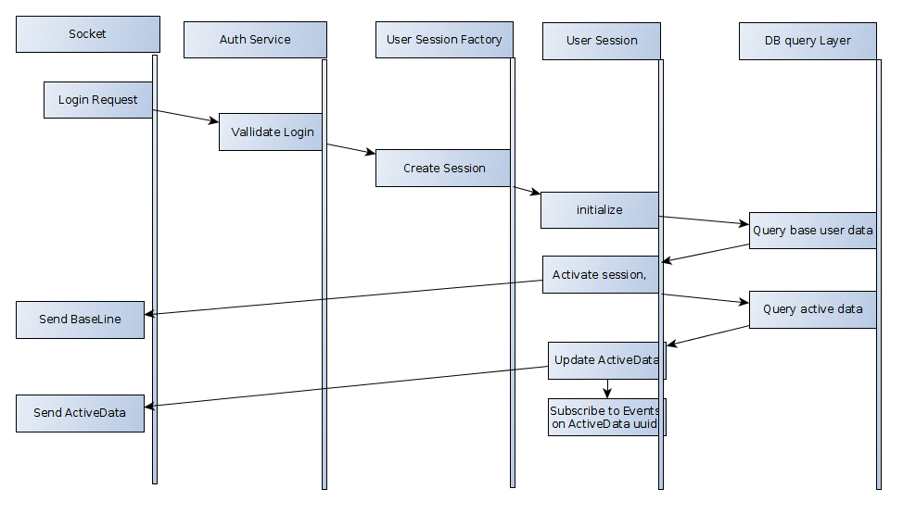
 | User sessions once tracked can be cached server side with user’s last login state. This is a derived requirement from custom templates and reporting. An active session object can store the datastructure for custom displays, and baseline data. This should be explored in more detail.

 | DataStore (client)
 | Relevant requirements are report composition, which entails a metadataStore which contains information on types, and many-to-many view composition for notes/data.
 | The approach may be to store data in an indexed frontend store, or database (like datascript)
 | If seperated by type, the data will be queryable in a more composable manner than a single Tree structure. Custom data needs to just be referenced by its parent component.
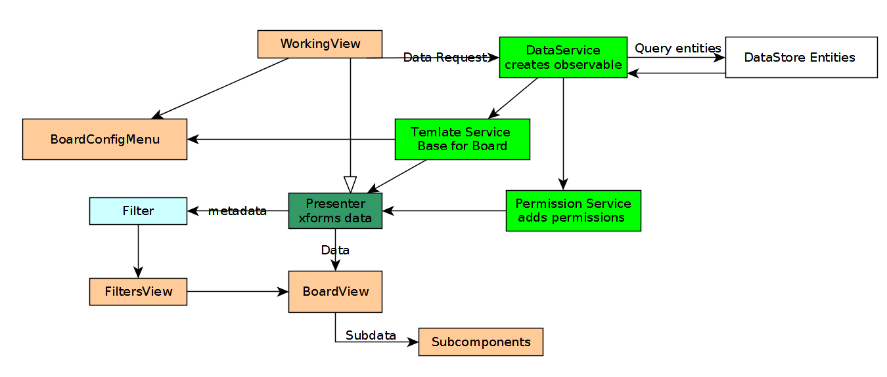

 | Metadata (types and attributes of a dataset) Are needed for reporting Interface and Filtering. It may make sense to store this in a seperate service so as not to derive it on each call.

Detailed Components
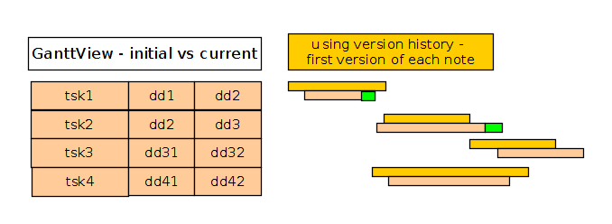
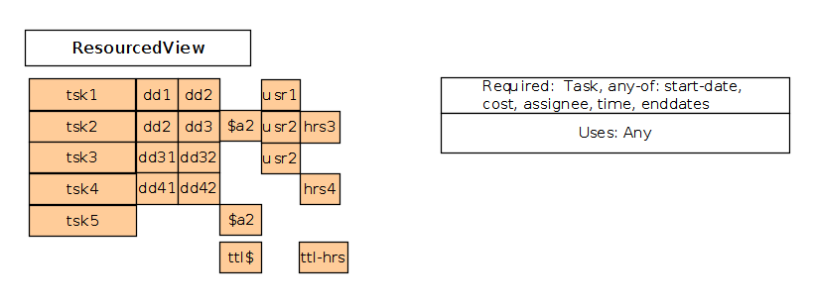
Pull Plan – example Board structure
A View where Areas of a board are constrained by start and end times. -Implies that Labels must have access to Context Properties. -In order to be able to copy and paste Areas efficiently, copied items must maintain their data bindings

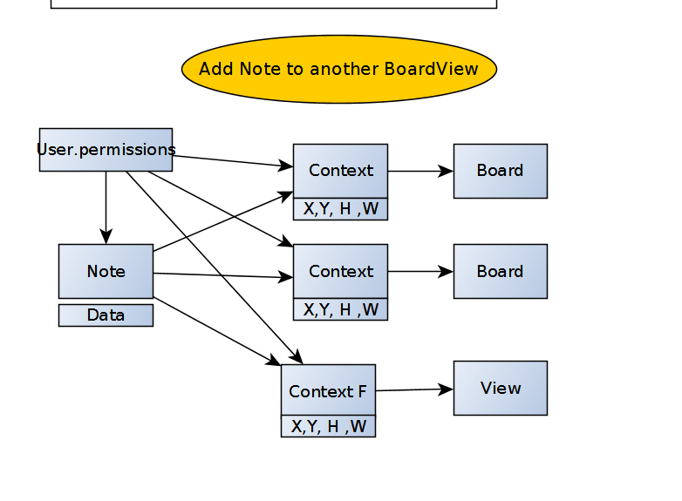
View
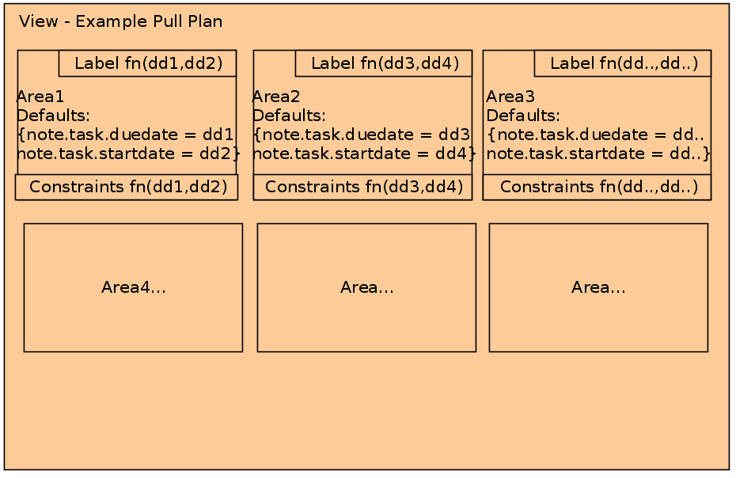
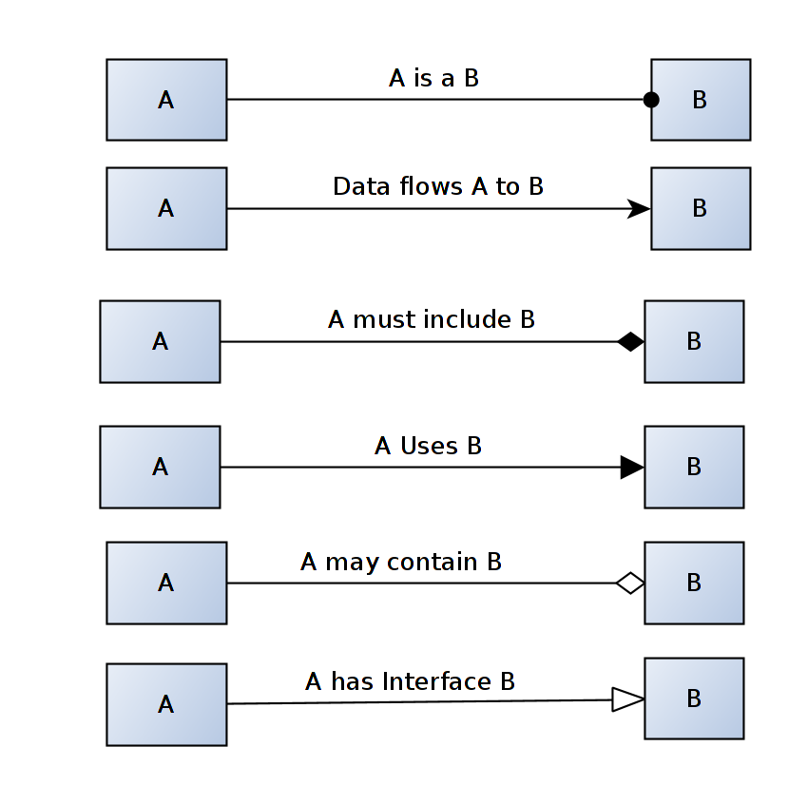

Multiple Boards View
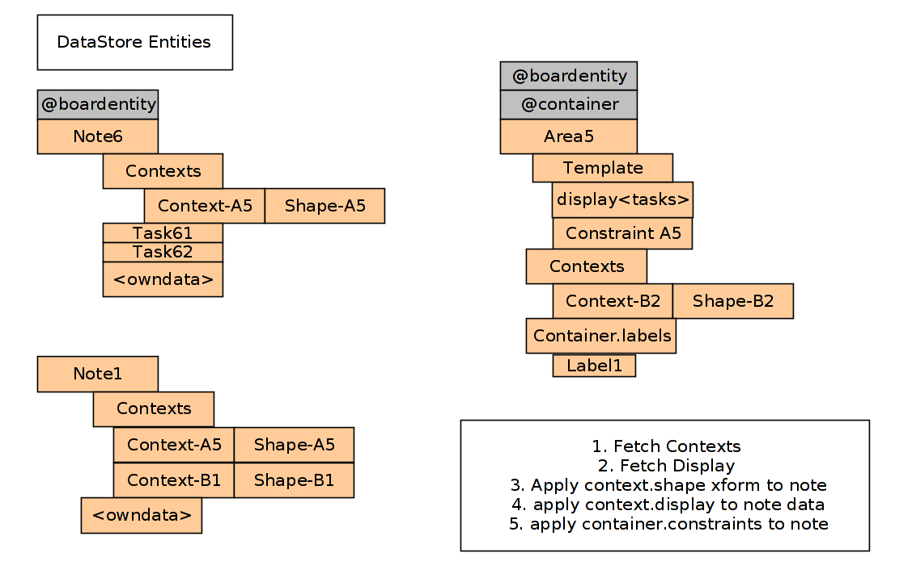
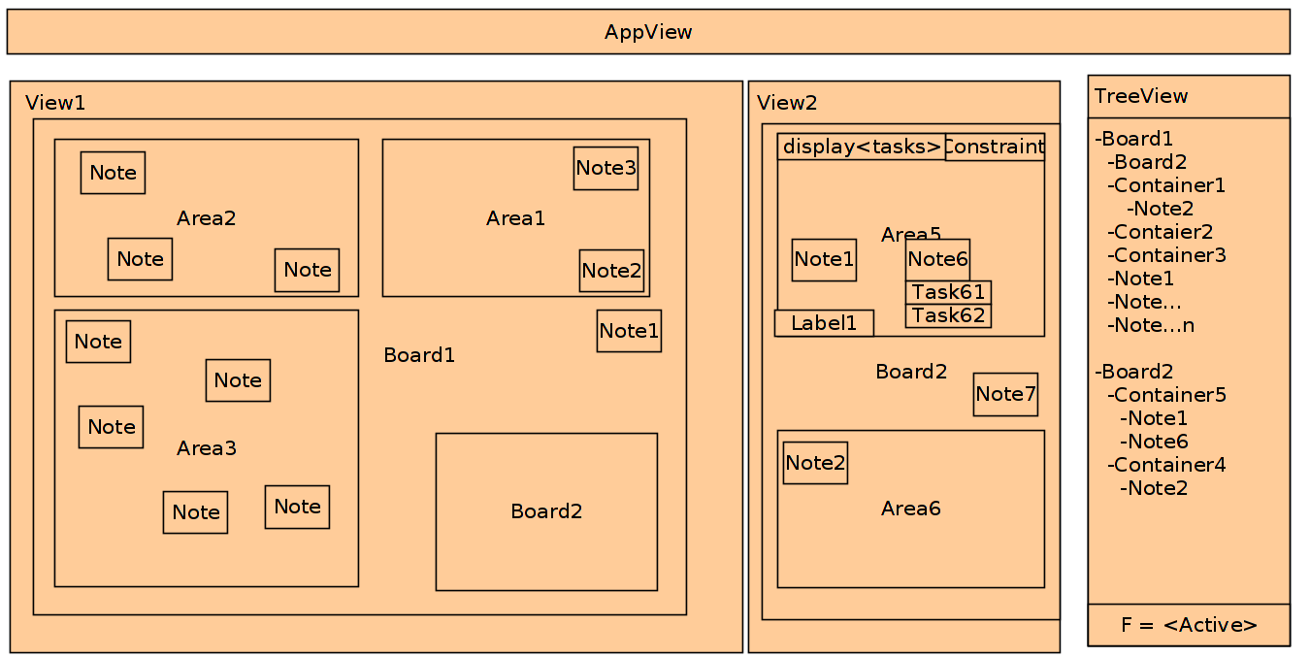

Component Tree for Multiple Boards View
Each Board is instantiated in a workspace. Data flows through top level compenent.
Filter captures Filterable properties. A filter object is generated (factory not shown), and added to the WorkingView
Each View has its own data, and data within the container
A presenter takes containers, and the entities in them (context + board Entities) and renders them in the context.

The same Presentation Interface can be used for the different view types. If the context has an interface to different presented functions, data each presenter fn will render data according to the parent context type.
Each Component will render its contained components recursively in its own context.
If a child component does not have permissions associated with it, it will inherit the parent’s permissions.
If a child component has permissions, it will use those. This will control whether functions to view, edit, etc are accessible.

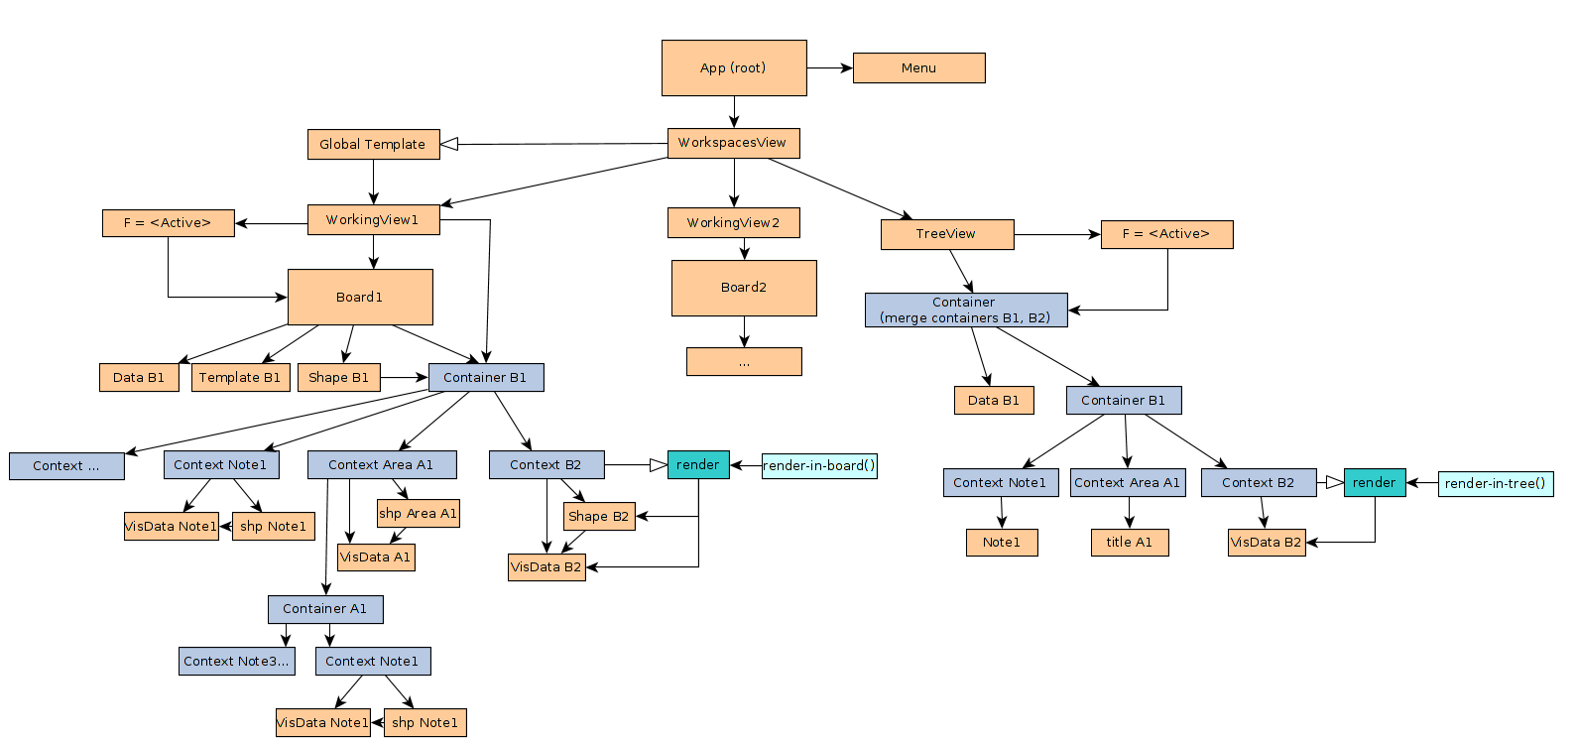

Board Entity In a Context
A board Entity should have ability to view its details.
This can be either a modal, or an expanded view. (?)
Either way, this is either implemented as request to the main data Service, which then is passed through the chain of context components.
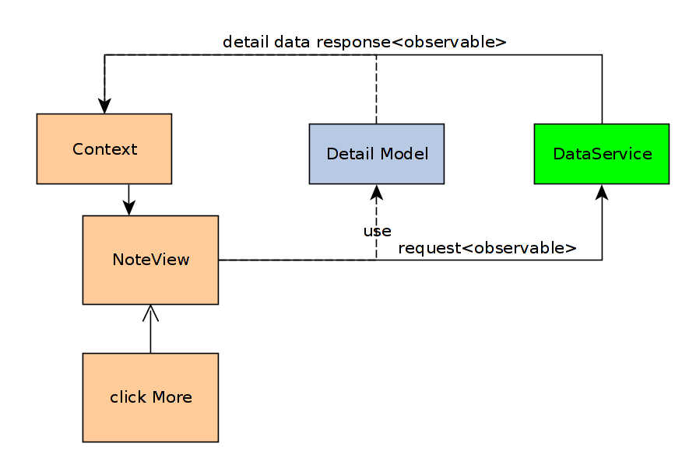
The resulting response changes the render implementation of the noteview, and the detail is updated
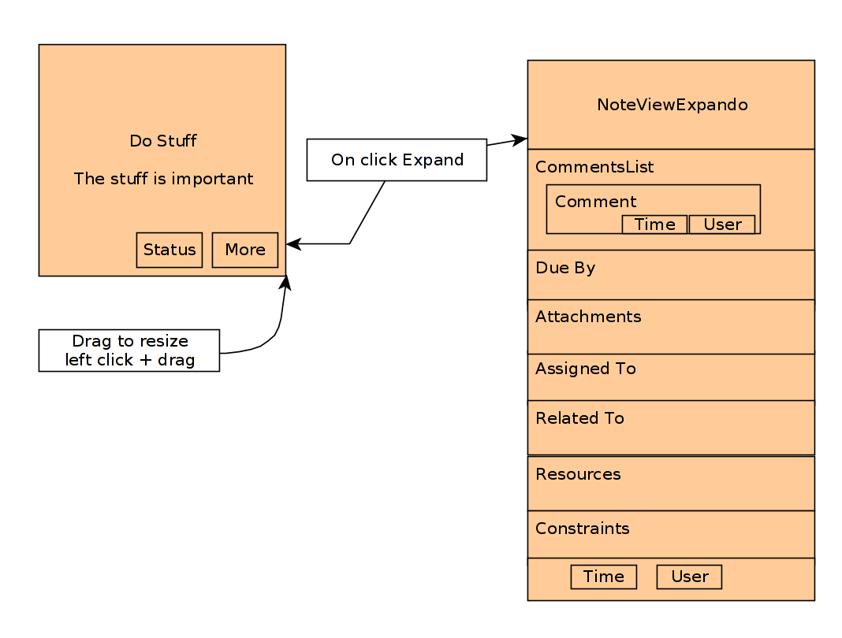

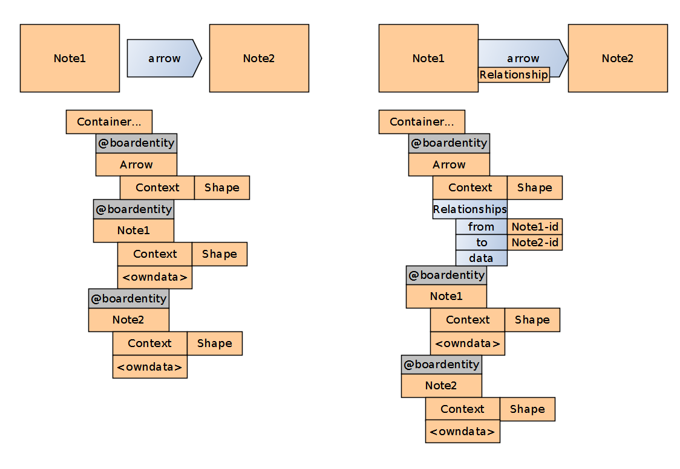
Relationships
Any BoardEntity which is not a Note,Task,Area,Board can be used to to create relationships
They can also exist on the board without any data (1)
There will be several provided shapes (arrows, etc) and users can make their own svgs.
 | Base shapes will be saved in database, and user created templates will go in same place.
Shapes will have snap points (ng-event)
If a shape is snapped to two Notes, a relationship entity is added to the shape (2).
The relationship is added to the Datastore.
The relationship is a soft constraint by default → a message to check constraint is created.
 | If neither note has a date, nothing happens
 | If one or both has a date, they are checked for continuity.
 |  | If from occurs after to, an alert is created
The relationship is a separate object from the shape. It becomes query-able by gantt chart

A relationship is a type of constraint.
If a shape is added to a board which entails a constraint, and the same notes appear on another board:
 | The Relationship datum is added to the second board.
 | The shape data is not added to the second board.
 | The relationship is rendered by a basic connector line

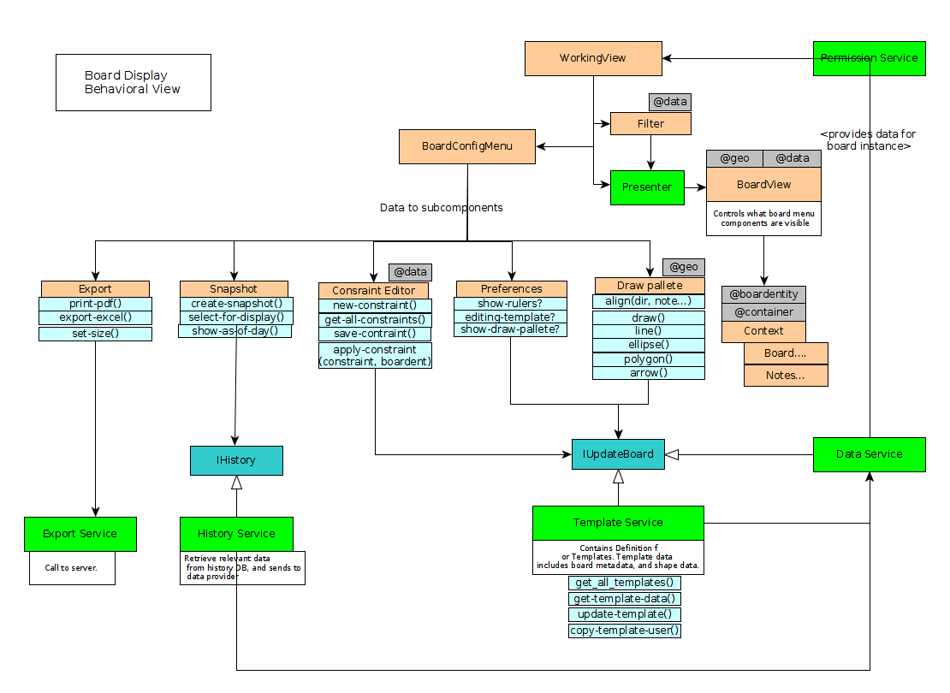
Board View Configuration
User should be able to edit a board by adding notes/tasks, as well as shapes.
A shape is a base board entity. Template boards will contain shapes that are not modifiable by the user (no permissions)
A use can copy a board, and then have right to edit that template.
The Board Configuration VenuieMw elements will not need accessthe wholenote data s.ope.
 | They will need acccess to the constraint scope and the geometry scope.

Drawing Palette
Drawing Palette should have functions for drawing and editing geometric data on a board.
 | When editing a board template, updates are sent to the Board Template
 | When editing board data, the instance of the board is modified
Functionalities to add shapes, areas, notes.
Functionalities to edit geometry only.
 | When a geometry is edited, it gets routed to the data service down to board View

Export Menu
Printing entails board sizes. Boards can be resized which gives a few scope interactions:
 | If a board is dynamically resized by adding a note, the print size should not change
 | Therefore shapes and subcontexts should be placed in relative coordinates
 | When printing, the coordinates will need to be normalized to the target plane. Text will also have to be resized.
 | If a container is resized, then all relative coordinates will need to be recalculated.

View Preferences Menu
Contains Config for BoardConfiguration Menu on which Tools to show

D
Snapshot Menu
Possible implementation: dropdown showing all snapshots
User can check them to overlay these.
 | Server retrieves data, and adds transparency info to shape contexts.

In a Gridview or treeview, version history would not include geometric data.
Given the fields displayed in the gridview, Current vs Version data would be highlighted with Red for deletions, Green for additions, yellow for modifications

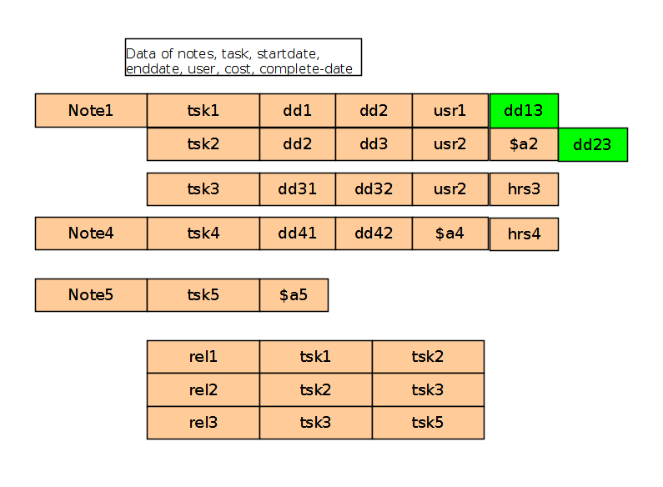

View and Compositions
Given a datastructure in a container as such:
The parts of the data structure seperated into notes and relationships.
Each view uses different attributes of the baseline data.

Specifications - Constraint + n
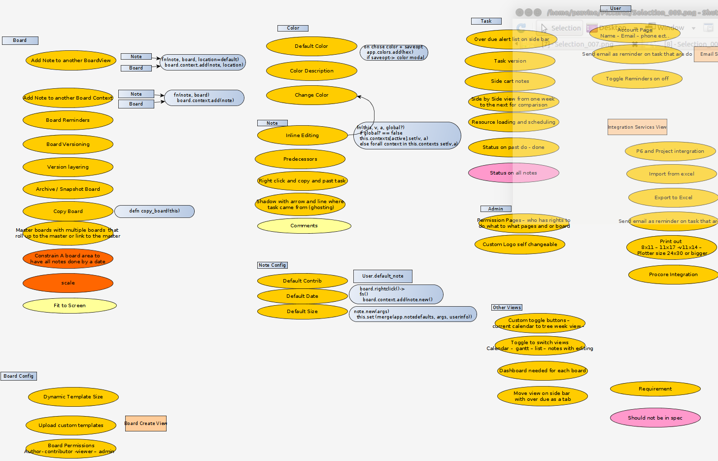
Constraints – Examples |  |  |  |  | from
 | Container can have <>= N notes |  |  |  | BB
 | In Container all notes must have property x |  |  |  | BB |  | <,>,NOT,AND,OR,XOR,=,musthave, Contains,
 | In Container all notes must have property x such that <new Constraint>
 | Property x must be <pred> Property Y

 | Constraint Spaces and Deffaults
 | If an entity has constraints such that they constitute a range C:-( x > task.start-date > y) and task.musthave start-date
 | Then that space can map to the geometrical space of that area.
 | This can be used to set values of constrained data entities based on where they are added initially in physical space.
 | Note added with click at 0.8,0.5, and constraint C exists, task.start date will be added at (x-y ) /0.8

 | Hard Constraints
 | When broken, a modal comes up.
 | Modal states problem | Show constraint as human readable message

 | Soft Constraints
 | When broken, create Alert in alert bar. Data is still sent to the database.

 |  |  |  |  |  |  |  | Context stores relationship of two entities such that one is nested in the other
 |  |  |  |  |  |  |  | -Constraints of Container entities are checked against properties of child entities.
 |  |  |  |  |  |  |  | (fn [C ent] ((:pred C) ((:prop C) ent) (:const C)))
Nesting – this in that
 |  |  | that |  |  |  |  | Who is responsible for checking constraints? - 1 – the container, or 2 – the provider?
 |  | Note | Board | Area | Shape | Label
this |  | N | Y | Y | Y* | N | Y* require more than one target
 | Note | N | Y | Y | Y* | Y
 | Board | N | Y | Y | Y* | Y
 | Area | N | Y | Y | Y* | Y
 | Shape(BaseEnt) | N | Y | Y | Y* | N
 | Label

Types (compositional)
